MovAvg
Month | Loss Ratio | TR12 | Use column C to calculate the 12-month moving average of the data in column B. | Answer | Month | Loss Ratio | TR12
1 | 0.81 |  | Display both the Loss Ratio and the TR12 (MA12) on the same graph |  | 1 | 0.81
2 | 0.85 |  | Does the TR12/MA12 allow the trend to be seen and the seasonality to be removed? |  | 2 | 0.85
3 | 0.78 |  |  |  | 3 | 0.78
Trailing 12 Removes Seasonality from Monthly Data
 | Loss Ratio | TR12
1 | 0.81
2 | 0.85
3 | 0.78
4 | 0.75
5 | 0.69
6 | 0.66
7 | 0.66
8 | 0.64
9 | 0.65
10 | 0.71
11 | 0.77
12 | 0.82
13 | 0.83 | 0.7325
14 | 0.87 | 0.73416666667
15 | 0.79 | 0.73583333333
16 | 0.75 | 0.73666666667
17 | 0.72 | 0.73666666667
18 | 0.67 | 0.73916666667
19 | 0.66 | 0.74
20 | 0.67 | 0.74
21 | 0.66 | 0.7425
22 | 0.73 | 0.74333333333
23 | 0.77 | 0.745
24 | 0.83 | 0.745
25 | 0.85 | 0.74583333333
26 | 0.89 | 0.7475
27 | 0.8 | 0.74916666667
28 | 0.75 | 0.75
29 | 0.75 | 0.75
30 | 0.68 | 0.7525
31 | 0.66 | 0.75333333333
32 | 0.7 | 0.75333333333
33 | 0.67 | 0.75583333333
34 | 0.75 | 0.75666666667
35 | 0.77 | 0.75833333333
36 | 0.84 | 0.75833333333
4 | 0.75 |  |  |  | 4 | 0.75
5 | 0.69 |  |  |  | 5 | 0.69
6 | 0.66 |  |  |  | 6 | 0.66
7 | 0.66 |  |  |  | 7 | 0.66
8 | 0.64 |  |  |  | 8 | 0.64
9 | 0.65 |  |  |  | 9 | 0.65
10 | 0.71 |  |  |  | 10 | 0.71
11 | 0.77 |  |  |  | 11 | 0.77
12 | 0.82 |  |  |  | 12 | 0.82
13 | 0.83 |  |  |  | 13 | 0.83 | 0.73
14 | 0.87 |  |  |  | 14 | 0.87 | 0.73
15 | 0.79 |  |  |  | 15 | 0.79 | 0.74
16 | 0.75 |  |  |  | 16 | 0.75 | 0.74
17 | 0.72 |  |  |  | 17 | 0.72 | 0.74
18 | 0.67 |  |  |  | 18 | 0.67 | 0.74
19 | 0.66 |  |  |  | 19 | 0.66 | 0.74
20 | 0.67 |  |  |  | 20 | 0.67 | 0.74
21 | 0.66 |  |  |  | 21 | 0.66 | 0.74
22 | 0.73 |  |  |  | 22 | 0.73 | 0.74
23 | 0.77 |  |  |  | 23 | 0.77 | 0.75
24 | 0.83 |  |  |  | 24 | 0.83 | 0.75
25 | 0.85 |  |  |  | 25 | 0.85 | 0.75
26 | 0.89 |  |  |  | 26 | 0.89 | 0.75
27 | 0.8 |  |  |  | 27 | 0.8 | 0.75
28 | 0.75 |  |  |  | 28 | 0.75 | 0.75
29 | 0.75 |  |  |  | 29 | 0.75 | 0.75
30 | 0.68 |  |  |  | 30 | 0.68 | 0.75
31 | 0.66 |  |  |  | 31 | 0.66 | 0.75
32 | 0.7 |  |  |  | 32 | 0.7 | 0.75
33 | 0.67 |  |  |  | 33 | 0.67 | 0.76
34 | 0.75 |  |  |  | 34 | 0.75 | 0.76
35 | 0.77 |  |  |  | 35 | 0.77 | 0.76
36 | 0.84 |  |  |  | 36 | 0.84 | 0.76

Display
X | Using the Data Analysis pack in "Data" (above) | Answers | x | Using the Data Analysis pack in Data (above)
33 | Create 2 histograms (bar charts) of X using bin 1 and bin 2 |  | 33 | Create 2 histograms (bar charts) of X using the 2 given bins
184 | Do the histograms look different depending on the bin selection? |  | 184 | Do the histograms look different depending on the bin selection? |  |  | Yes, this is a shortcoming of bar charts
Histogram
181 |  |  | 181
206 | bin 1 |  | 206 | bin | Bin | Frequency
147 | 0 |  | 147 | 0 | 0 | 0
162 | 50 |  | 162 | 50 | 50 | 1
56 | 100 |  | 56 | 100 | 100 | 3
157 | 150 |  | 157 | 150 | 150 | 2
156 | 200 |  | 156 | 200 | 200 | 6
214 | 250 |  | 214 | 250 | 250 | 4
97 | 300 |  | 97 | 300 | 300 | 2
237 |  |  | 237 |  | More | 0
88 | bin 2 |  | 88 | bin
Histogram
294 | 0 |  | 294 | 0 | Bin | Frequency
276 | 75 |  | 276 | 75 | 0 | 0
110 | 150 |  | 110 | 150 | 75 | 2
180 | 225 |  | 180 | 225 | 150 | 4
212 | 300 |  | 212 | 300 | 225 | 9
 |  |  |  |  | 300 | 3
 |  |  |  |  | More | 0

OutLr1
 | Given the weight of NFL linemen calculate the mean & SD | Plot the data in col B. What value might be an outlier? | Sort the data by size. What value might be an outlier? | What is the mean & SD if the outlier is deleted? Does it make a difference? | Are we justified in removing the outlier? Why? | Answers | Given the weight of NFL linemen calculate the mean & SD | Sort the data by size. What value might be an outlier? | What is the mean & SD if the outlier is deleted? Does it make a difference? | Are we justified in removing the outlier?
 |  |  |  |  |  |  |  | 967 | Yes | Yes. No human
 |  |  |  |  |  |  |  |  |  | weighs
 | X |  | X | X |  |  | X | X | X | 967 pounds.
 | 296 |  | 290 | 290 |  |  | 296 | 290 | 290
 | 356 |  | 296 | 296 |  |  | 356 | 296 | 296
 | 322 |  | 305 | 305 |  |  | 322 | 305 | 305
 | 365 |  | 315 | 315 |  |  | 365 | 315 | 315
 | 315 |  | 315 | 315 |  |  | 315 | 315 | 315
 | 333 |  | 322 | 322 |  |  | 333 | 322 | 322
 | 967 |  | 333 | 333 |  |  | 967 | 333 | 333
 | 315 |  | 356 | 356 |  |  | 315 | 356 | 356
 | 290 |  | 365 | 365 |  |  | 290 | 365 | 365
 | 305 |  | 967 |  |  |  | 305 | 967
 |  |  |  |  |  |  |  |  |  | Difference
Mean |  |  |  |  |  |  | 386 |  | 322 | -65
SD |  |  |  |  |  |  | 205 |  | 26 | -180

Outlr2
Graphs can help identify Outliers
# | X | This is a sample of 90 data points
1 | 119203 |  | Answer
2 | 99999 | Graph the data using a Scatter Plot . | I see 2 outliers
3 | 227890 | Do you see a potential outlier?
4 | 130301
5 | 179758 | Use some techniques to make the graph
6 | 160121 | above visually appealing.
7 | 200000
8 | 147856 | Format graph
9 | 78451 | Format plot area
10 | 95321 | Change Font size
11 | 159000 | Use Bold selectively
12 | 146000 | Use the title to express the message
13 | 165225
14 | 200000
15 | 165125
16 | 136000
17 | 89208
18 | 178000
19 | 135798
20 | 189563
21 | 144526
22 | 110000
23 | 113000
24 | 181090
25 | 106000
26 | 160000
27 | 195216
28 | 119800
29 | 20206
30 | 148800
31 | 158963
32 | 59000
33 | 85384
34 | 400000
35 | 77000
36 | 165000
37 | 93610
38 | 93610
39 | 158000
40 | 162300
41 | 80000
42 | 99050
43 | 81107
44 | 132462
45 | 198175
46 | 85263
47 | 78000
48 | 42141
49 | 99210
50 | 55000
51 | 65501
52 | 55280
53 | 135700
54 | 135798
55 | 189563
56 | 144526
57 | 110000
58 | 113000
59 | 155000
60 | 106000
61 | 111111
62 | 195216
63 | 93610
64 | 93610
65 | 158000
66 | 162300
67 | 80000
68 | 99050
69 | 81107
70 | 132462
71 | 198175
72 | 135798
73 | 189563
74 | 144526
75 | 110000
76 | 113000
77 | 231000
78 | 106000
79 | 198000
80 | 195216
81 | 119800
82 | 123456
83 | 148800
84 | 158963
85 | 59000
86 | 85384
87 | 180000
88 | 77000
89 | 165000
90 | 93610
91 | 175000

Corr2
As Model Year Increases, Milage Decreases
Model Year | Odometer | This is a sample of 90 data points from a population of 1MM policies
1988 | 119203 |  | Answer
1989 | 99999 | Model Year = manufacture year of the vehicle
1995 | 247500 | Odometer = the odometer mileage reading on the vehicle
1996 | 130301
1998 | 179758 | Compute the CORRELATION between Model Year and Odometer.
1998 | 160121 | CORR = | -0.73
2000 | 200000
2000 | 147856 | Graph a Scatter Plot to visualize the relationship.
2003 | 78451
2003 | 95321 | Use a few quick techniques to make the graph visually appealing
2004 | 159000 | Format graph
2004 | 146000 | Format plot area
2004 | 165225 | Font size
2005 | 200000 | Bold
2005 | 165125 | Title: explains the message
2005 | 136000
2006 | 89208
2006 | 78900
2006 | 135798
2006 | 189563
2007 | 144526
2008 | 110000
2008 | 113000
2009 | 18061
2009 | 106000
2009 | 18000
2010 | 195216
2010 | 119800
2010 | 20206
2010 | 148800
2010 | 158963
2011 | 59000
2011 | 85384
2011 | 253098
2011 | 77000
2012 | 165000
2012 | 93610
2012 | 93610
2013 | 158000
2013 | 162300
2014 | 80000
2014 | 99050
2016 | 81107
2016 | 132462
2016 | 198175
2016 | 85263
2017 | 78000
2017 | 42141
2018 | 99210
2018 | 55000
2018 | 65501
2018 | 55280
2018 | 135700
2018 | 54900
2018 | 23165
2019 | 34358
2019 | 32812
2019 | 28246
2019 | 25000
2020 | 20012
2020 | 30000
2020 | 13975
2020 | 5757
2020 | 26000
2020 | 14517
2021 | 30890
2021 | 15305
2021 | 7500
2021 | 28000
2021 | 26987
2021 | 8000
2021 | 17650
2021 | 17650
2021 | 15168
2021 | 12350
2021 | 33551
2022 | 11456
2022 | 1505
2022 | 2134
2022 | 3546
2022 | 3546
2022 | 1700
2022 | 2567
2022 | 1000
2022 | 1978
2022 | 123
2023 | 3000
2023 | 478
2023 | 1200
2023 | 1656
2023 | 1299

LinReg
The equation and the r-square are available in excel graphs using trendline>options>checkbox
Graph the data in the Columns B&C | X | Y | Answer
Insert the equation of the variables. | 1 | 1.16
Insert the r-square of the relationship. | 2 | 1.88
Hint: use trendline>options | 3 | 2.71
 | 4 | 2.57
 | 5 | 3.09
 | 6 | 2.85
 | 7 | 2.99
 | 8 | 1.99
 | 9 | 2.43
 | 10 | 2.11
 | 11 | 3.76
 | 12 | 3.55
 | 13 | 2.99
 | 14 | 3.89
 | 15 | 4.23
 | 16 | 4.13
 | 17 | 4.56
 | 18 | 4.22
 | 19 | 3.99
 | 20 | 4.07

OutlierLinReg
Original Data
Effect of Left-hand Outlier
X | Y
1 | 5 | X | Y | Try changing the red numbers and
2 | 4 | 1 | 5 | see how the line changes its equation.
3 | 8 | 2 | 4
4 | 4 | 3 | 8
5 | 8 | 4 | 4
6 | 6 | 5 | 8
7 | 11 | 6 | 6
8 | 7 | 7 | 11
9 | 9 | 8 | 7
10 | 11 | 9 | 9
11 | 10 | 10 | 11
12 | 13 | 11 | 10
 |  | 12 | 13

Effect of Center Outlier
Effect of Right -hand Outlier
X | Y
1 | 5 | X | Y
2 | 4 | 1 | 5
3 | 8 | 2 | 4
4 | 4 | 3 | 8
5 | 8 | 4 | 4
6 | 6 | 5 | 8
7 | 11 | 6 | 6
8 | 7 | 7 | 11
9 | 9 | 8 | 7
10 | 11 | 9 | 9
11 | 10 | 10 | 11
12 | 13 | 11 | 10
 |  | 12 | 13

2 dice
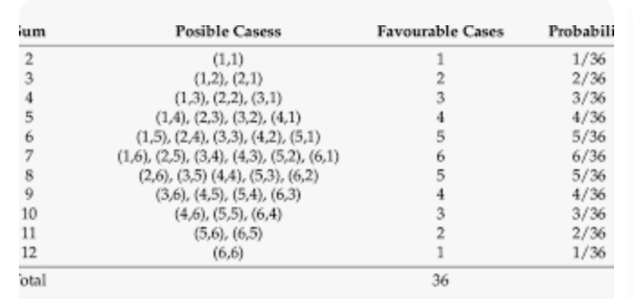
1. Fill out this table for the sum of the faces of 2 dice.

X (Sum) | Outcomes |  |  | Cases | Probability
2 | (1,1) |  |  | 1
3
4
5
6
7
8
9
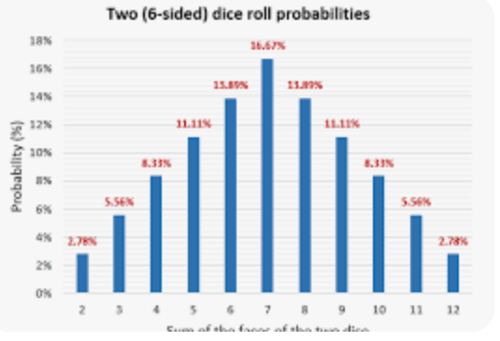
10
11 | (5,6) | (6,5) |  | 2
12
 |  |  | Total

2. Plot the probabilities on a chart where X is on the x-axis and
the probability of X is on the Y axis.
What sum has the best chance of occuring?

CLT1
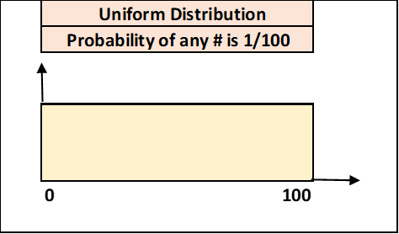
Uniform Distribution | Obs | Population |  | Samples |  | Sample 1 | Sample 2 | Sample 3 | Sample 4 | Sample 5 | Sample 6 | Sample 7 | Sample 8 | Sample 9 | Sample 10
 | 0 | N | 101 | avg1 | 55.4 | 13 | 74 | 75 | 91 | 97 | 9 | 17 | 94 | 27 | 90
 | 1 | avg | 50.0 | avg2 | 46.1 | 62 | 71 | 88 | 28 | 50 | 77 | 56 | 86 | 70 | 37
 | 2 | sd | 29.3 | avg3 | 53.8 | 57 | 89 | 37 | 67 | 54 | 17 | 48 | 99 | 31 | 19
 | 3 | Samples |  | avg4 | 50.8 | 62 | 35 | 73 | 52 | 14 | 77 | 63 | 100 | 91 | 91
 | 4 | n | 30 | avg5 | 56.0 | 95 | 44 | 4 | 32 | 48 | 12 | 10 | 52 | 97 | 95
 | 5 | sdm | 5.3 | avg6 | 54.6 | 57 | 61 | 32 | 22 | 76 | 14 | 17 | 56 | 89 | 74
 | 6 | avg+2sdm | 60.7 | avg7 | 37.2 | 89 | 38 | 21 | 98 | 41 | 77 | 62 | 81 | 34 | 61
 | 7 | avg-2sdm | 39.3 | avg8 | 62.7 | 54 | 19 | 83 | 67 | 71 | 90 | 22 | 6 | 21 | 50
 | 8 |  |  | avg9 | 56.0 | 28 | 20 | 50 | 7 | 86 | 58 | 13 | 79 | 15 | 17
Normal Distribution | 9 |  |  | avg10 | 50.9 | 37 | 5 | 2 | 18 | 14 | 92 | 43 | 96 | 61 | 67
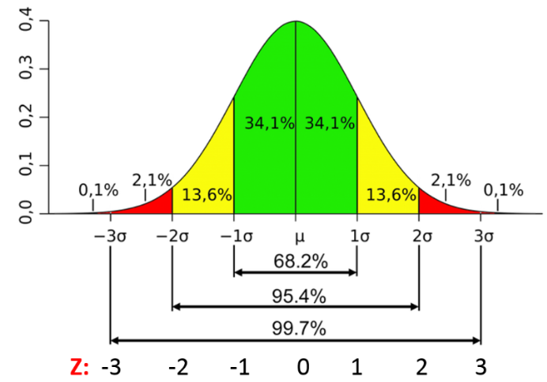
 | 10 | 9 |  |  |  | 99 | 25 | 82 | 85 | 11 | 23 | 26 | 72 | 40 | 33
 | 11 |  |  | avg | 52.3 | 38 | 88 | 54 | 17 | 50 | 25 | 38 | 37 | 3 | 28
 | 12 |  |  | sdm | 6.8 | 82 | 51 | 36 | 89 | 26 | 35 | 10 | 36 | 93 | 6
 | 13 |  |  |  |  | 21 | 61 | 85 | 38 | 72 | 81 | 37 | 71 | 12 | 40
 | 14 | Enter a number in F12 to generate |  |  |  | 99 | 21 | 30 | 34 | 91 | 65 | 53 | 91 | 74 | 54
 | 15 | a new set of 10 samples in col. J. Plot |  |  |  | 97 | 11 | 11 | 79 | 84 | 45 | 29 | 72 | 68 | 58
 | 16 | 50 of these sample averages in tab=CLT2. |  |  |  | 50 | 72 | 32 | 11 | 19 | 34 | 23 | 37 | 53 | 76
 | 17 | Note that the sample values vary from |  |  |  | 97 | 69 | 95 | 51 | 63 | 97 | 19 | 33 | 47 | 33
 | 18 | 0-100, but the sample averages only from |  |  |  | 82 | 12 | 76 | 85 | 99 | 50 | 72 | 95 | 67 | 39
 | 19 | 40-60 and are approximately normal |  |  |  | 64 | 82 | 91 | 89 | 93 | 7 | 6 | 82 | 17 | 79
 | 20 |  |  |  |  | 55 | 50 | 0 | 38 | 31 | 51 | 28 | 47 | 99 | 82
 | 21 |  |  |  |  | 76 | 4 | 74 | 19 | 54 | 93 | 0 | 27 | 89 | 6
 | 22 |  |  |  |  | 35 | 88 | 98 | 77 | 75 | 67 | 3 | 53 | 91 | 12
 | 23 |  |  |  |  | 28 | 28 | 43 | 47 | 74 | 66 | 48 | 84 | 57 | 51
 | 24 |  |  |  |  | 24 | 74 | 7 | 70 | 95 | 10 | 65 | 65 | 86 | 52
 | 25 |  |  |  |  | 11 | 15 | 100 | 11 | 42 | 73 | 69 | 77 | 83 | 36
 | 26 |  |  |  |  | 56 | 51 | 52 | 69 | 49 | 56 | 72 | 68 | 4 | 16
 | 27 |  |  |  |  | 4 | 7 | 82 | 10 | 14 | 84 | 72 | 25 | 92 | 72
 | 28 |  |  |  |  | 87 | 32 | 64 | 55 | 10 | 92 | 10 | 60 | 8 | 93
 | 29 |  |  |  |  | 3 | 84 | 38 | 68 | 77 | 62 | 85 | 0 | 61 | 60
 | 30
 | 31
 | 32
 | 33
 | 34
 | 35
 | 36
 | 37
 | 38
 | 39
 | 40
 | 41
 | 42
 | 43
 | 44
 | 45
 | 46
 | 47
 | 48
 | 49
 | 50
 | 51
 | 52
 | 53
 | 54
 | 55
 | 56
 | 57
 | 58
 | 59
 | 60
 | 61
 | 62
 | 63
 | 64
 | 65
 | 66
 | 67
 | 68
 | 69
 | 70
 | 71
 | 72
 | 73
 | 74
 | 75
 | 76
 | 77
 | 78
 | 79
 | 80
 | 81
 | 82
 | 83
 | 84
 | 85
 | 86
 | 87
 | 88
 | 89
 | 90
 | 91
 | 92
 | 93
 | 94
 | 95
 | 96
 | 97
 | 98
 | 99
 | 100

tTable
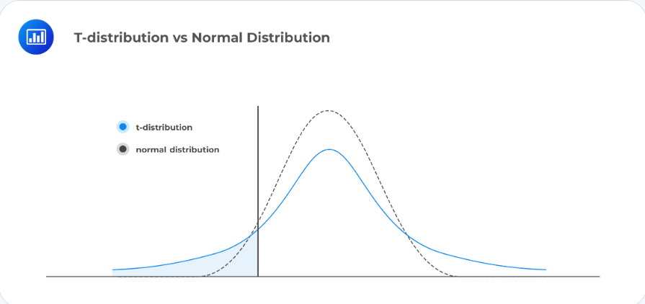
Critical t-values for p=0.05 |  |  |  | Critical t-values for p=0.05
1 tail |  | 2 tail |  | 1 tail |  | 2 tail
df=(n-1) | value | df=(n-1) | value | df=(n-1) | value | df=(n-1) | value
1 | 6.314 | 1 | 12.706 | 16 | 1.746 | 16 | 2.120
2 | 2.920 | 2 | 4.303 | 17 | 1.740 | 17 | 2.110
3 | 2.353 | 3 | 3.182 | 18 | 1.734 | 18 | 2.101
4 | 2.132 | 4 | 2.776 | 19 | 1.729 | 19 | 2.093
5 | 2.015 | 5 | 2.571 | 20 | 1.725 | 20 | 2.086
6 | 1.943 | 6 | 2.447 | 21 | 1.721 | 21 | 2.080
7 | 1.895 | 7 | 2.365 | 22 | 1.717 | 22 | 2.074
8 | 1.860 | 8 | 2.306 | 23 | 1.714 | 23 | 2.069
9 | 1.833 | 9 | 2.262 | 24 | 1.711 | 24 | 2.064
10 | 1.812 | 10 | 2.228 | 25 | 1.708 | 25 | 2.060
11 | 1.796 | 11 | 2.201 | 26 | 1.706 | 26 | 2.056
12 | 1.782 | 12 | 2.179 | 27 | 1.703 | 27 | 2.052
13 | 1.771 | 13 | 2.160 | 28 | 1.701 | 28 | 2.048
14 | 1.761 | 14 | 2.145 | 29 | 1.699 | 29 | 2.045
15 | 1.753 | 15 | 2.131 | 30 | 1.697 | 30 | 2.042
 |  |  |  | 60 | 1.671 | 60 | 2.000
 |  |  |  | 120 | 1.658 | 120 | 1.980
 |  |  |  | ∞ | 1.645 | ∞ | 1.960

Sheet1
T vs P
PV = nRT

PV=T | P | V | T
 | 1 | 1 | 1
 | 2 | 1 | 2
 | 3 | 1 | 3
 | 4 | 1 | 4
 | 5 | 1 | 5
 | 1 | 3 | 3
 | 2 | 3 | 6
 | 3 | 3 | 9
 | 4 | 3 | 12
 | 5 | 3 | 15

